2s & 10s
2Y vs 10Y
 | 10Y | 2Y
2020-12-31 | 0.13 | 0.93
2021-01-04 | 0.11 | 0.93
2021-01-05 | 0.13 | 0.96
2021-01-06 | 0.14 | 1.04
2021-01-07 | 0.14 | 1.08
2021-01-08 | 0.14 | 1.13
2021-01-11 | 0.14 | 1.15
2021-01-12 | 0.14 | 1.15
2021-01-13 | 0.14 | 1.1
2021-01-14 | 0.16 | 1.15
2021-01-15 | 0.13 | 1.11
2021-01-19 | 0.14 | 1.1
2021-01-20 | 0.13 | 1.1
2021-01-21 | 0.13 | 1.12
2021-01-22 | 0.13 | 1.1
2021-01-25 | 0.13 | 1.05
2021-01-26 | 0.11 | 1.05
2021-01-27 | 0.12 | 1.04
2021-01-28 | 0.12 | 1.07
2021-01-29 | 0.11 | 1.11
2021-02-01 | 0.11 | 1.09
2021-02-02 | 0.11 | 1.12
2021-02-03 | 0.11 | 1.15
2021-02-04 | 0.11 | 1.15
2021-02-05 | 0.09 | 1.19
2021-02-08 | 0.11 | 1.19
2021-02-09 | 0.11 | 1.18
2021-02-10 | 0.11 | 1.15
2021-02-11 | 0.11 | 1.16
2021-02-12 | 0.11 | 1.2
2021-02-16 | 0.13 | 1.3
2021-02-17 | 0.11 | 1.29
2021-02-18 | 0.11 | 1.29
2021-02-19 | 0.11 | 1.34
2021-02-22 | 0.11 | 1.37
2021-02-23 | 0.11 | 1.37
2021-02-24 | 0.12 | 1.38
2021-02-25 | 0.17 | 1.54
2021-02-26 | 0.14 | 1.44
2021-03-01 | 0.13 | 1.45
2021-03-02 | 0.13 | 1.42
2021-03-03 | 0.14 | 1.47
2021-03-04 | 0.14 | 1.54
2021-03-05 | 0.14 | 1.56
2021-03-08 | 0.17 | 1.59
2021-03-09 | 0.17 | 1.55
2021-03-10 | 0.16 | 1.53
2021-03-11 | 0.14 | 1.54
2021-03-12 | 0.14 | 1.64
2021-03-15 | 0.14 | 1.62
...
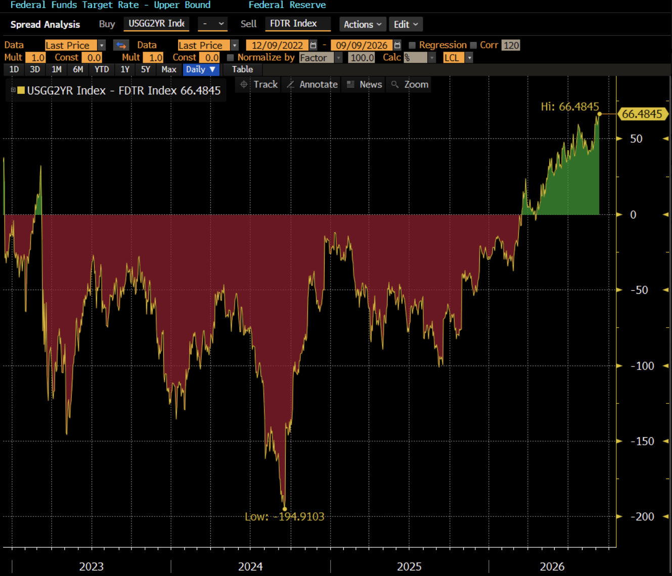
observation_date | DGS10 | DGS2 | 2s10s
2020-12-31 | 0.13 | 0.93 | -80.00 bps
2021-01-04 | 0.11 | 0.93 | -82.00 bps
2021-01-05 | 0.13 | 0.96 | -83.00 bps
2021-01-06 | 0.14 | 1.04 | -90.00 bps
2021-01-07 | 0.14 | 1.08 | -94.00 bps
2021-01-08 | 0.14 | 1.13 | -99.00 bps
2021-01-11 | 0.14 | 1.15 | -101.00 bps
2021-01-12 | 0.14 | 1.15 | -101.00 bps
2021-01-13 | 0.14 | 1.1 | -96.00 bps
2021-01-14 | 0.16 | 1.15 | -99.00 bps
2021-01-15 | 0.13 | 1.11 | -98.00 bps
2021-01-19 | 0.14 | 1.1 | -96.00 bps
2021-01-20 | 0.13 | 1.1 | -97.00 bps
2021-01-21 | 0.13 | 1.12 | -99.00 bps
2021-01-22 | 0.13 | 1.1 | -97.00 bps
2021-01-25 | 0.13 | 1.05 | -92.00 bps
2021-01-26 | 0.11 | 1.05 | -94.00 bps
2021-01-27 | 0.12 | 1.04 | -92.00 bps
2021-01-28 | 0.12 | 1.07 | -95.00 bps
2021-01-29 | 0.11 | 1.11 | -100.00 bps | x
2021-02-01 | 0.11 | 1.09 | -98.00 bps
2021-02-02 | 0.11 | 1.12 | -101.00 bps
2021-02-03 | 0.11 | 1.15 | -104.00 bps
2021-02-04 | 0.11 | 1.15 | -104.00 bps
2021-02-05 | 0.09 | 1.19 | -110.00 bps
2021-02-08 | 0.11 | 1.19 | -108.00 bps
2021-02-09 | 0.11 | 1.18 | -107.00 bps
 | 2s10s
2020-12-31 | -80.00 bps
2021-01-04 | -82.00 bps
2021-01-05 | -83.00 bps
2021-01-06 | -90.00 bps
2021-01-07 | -94.00 bps
2021-01-08 | -99.00 bps
2021-01-11 | -101.00 bps
2021-01-12 | -101.00 bps
2021-01-13 | -96.00 bps
2021-01-14 | -99.00 bps
2021-01-15 | -98.00 bps
2021-01-19 | -96.00 bps
2021-01-20 | -97.00 bps
2021-01-21 | -99.00 bps
2021-01-22 | -97.00 bps
2021-01-25 | -92.00 bps
2021-01-26 | -94.00 bps
2021-01-27 | -92.00 bps
2021-01-28 | -95.00 bps
2021-01-29 | -100.00 bps
2021-02-01 | -98.00 bps
2021-02-02 | -101.00 bps
2021-02-03 | -104.00 bps
2021-02-04 | -104.00 bps
2021-02-05 | -110.00 bps
2021-02-08 | -108.00 bps
2021-02-09 | -107.00 bps
2021-02-10 | -104.00 bps
2021-02-11 | -105.00 bps
2021-02-12 | -109.00 bps
2021-02-16 | -117.00 bps
2021-02-17 | -118.00 bps
2021-02-18 | -118.00 bps
2021-02-19 | -123.00 bps
2021-02-22 | -126.00 bps
2021-02-23 | -126.00 bps
2021-02-24 | -126.00 bps
2021-02-25 | -137.00 bps
2021-02-26 | -130.00 bps
2021-03-01 | -132.00 bps
2021-03-02 | -129.00 bps
2021-03-03 | -133.00 bps
2021-03-04 | -140.00 bps
2021-03-05 | -142.00 bps
2021-03-08 | -142.00 bps
2021-03-09 | -138.00 bps
2021-03-10 | -137.00 bps
2021-03-11 | -140.00 bps
2021-03-12 | -150.00 bps
2021-03-15 | -148.00 bps
...
2021-02-10 | 0.11 | 1.15 | -104.00 bps
2021-02-11 | 0.11 | 1.16 | -105.00 bps
2021-02-12 | 0.11 | 1.2 | -109.00 bps
2021-02-16 | 0.13 | 1.3 | -117.00 bps
2021-02-17 | 0.11 | 1.29 | -118.00 bps
2021-02-18 | 0.11 | 1.29 | -118.00 bps
2021-02-19 | 0.11 | 1.34 | -123.00 bps
2021-02-22 | 0.11 | 1.37 | -126.00 bps
2021-02-23 | 0.11 | 1.37 | -126.00 bps
2021-02-24 | 0.12 | 1.38 | -126.00 bps
2021-02-25 | 0.17 | 1.54 | -137.00 bps
2021-02-26 | 0.14 | 1.44 | -130.00 bps
2021-03-01 | 0.13 | 1.45 | -132.00 bps
2021-03-02 | 0.13 | 1.42 | -129.00 bps
2021-03-03 | 0.14 | 1.47 | -133.00 bps
2021-03-04 | 0.14 | 1.54 | -140.00 bps
2021-03-05 | 0.14 | 1.56 | -142.00 bps
2021-03-08 | 0.17 | 1.59 | -142.00 bps
2021-03-09 | 0.17 | 1.55 | -138.00 bps
2021-03-10 | 0.16 | 1.53 | -137.00 bps
2021-03-11 | 0.14 | 1.54 | -140.00 bps
2021-03-12 | 0.14 | 1.64 | -150.00 bps
2021-03-15 | 0.14 | 1.62 | -148.00 bps
2021-03-16 | 0.15 | 1.62 | -147.00 bps
2021-03-17 | 0.13 | 1.63 | -150.00 bps
2021-03-18 | 0.16 | 1.71 | -155.00 bps
2021-03-19 | 0.16 | 1.74 | -158.00 bps
2021-03-22 | 0.15 | 1.69 | -154.00 bps
2021-03-23 | 0.15 | 1.63 | -148.00 bps
2021-03-24 | 0.14 | 1.62 | -148.00 bps
2021-03-25 | 0.14 | 1.63 | -149.00 bps
2021-03-26 | 0.14 | 1.67 | -153.00 bps
2021-03-29 | 0.14 | 1.73 | -159.00 bps
2021-03-30 | 0.16 | 1.73 | -157.00 bps
2021-03-31 | 0.16 | 1.74 | -158.00 bps
2021-04-01 | 0.17 | 1.69 | -152.00 bps
2021-04-02 | 0.19 | 1.72 | -153.00 bps
2021-04-05 | 0.17 | 1.73 | -156.00 bps
2021-04-06 | 0.16 | 1.67 | -151.00 bps
2021-04-07 | 0.16 | 1.68 | -152.00 bps
2021-04-08 | 0.14 | 1.64 | -150.00 bps
2021-04-09 | 0.16 | 1.67 | -151.00 bps
2021-04-12 | 0.18 | 1.69 | -151.00 bps
2021-04-13 | 0.16 | 1.64 | -148.00 bps
2021-04-14 | 0.16 | 1.64 | -148.00 bps
2021-04-15 | 0.16 | 1.56 | -140.00 bps
2021-04-16 | 0.16 | 1.59 | -143.00 bps
2021-04-19 | 0.16 | 1.61 | -145.00 bps
2021-04-20 | 0.15 | 1.58 | -143.00 bps
2021-04-21 | 0.15 | 1.57 | -142.00 bps
2021-04-22 | 0.16 | 1.57 | -141.00 bps
2021-04-23 | 0.16 | 1.58 | -142.00 bps
2021-04-26 | 0.18 | 1.58 | -140.00 bps
2021-04-27 | 0.17 | 1.63 | -146.00 bps
2021-04-28 | 0.17 | 1.63 | -146.00 bps
2021-04-29 | 0.16 | 1.65 | -149.00 bps
2021-04-30 | 0.16 | 1.65 | -149.00 bps
2021-05-03 | 0.16 | 1.63 | -147.00 bps
2021-05-04 | 0.16 | 1.61 | -145.00 bps
2021-05-05 | 0.16 | 1.59 | -143.00 bps
2021-05-06 | 0.16 | 1.58 | -142.00 bps
2021-05-07 | 0.14 | 1.6 | -146.00 bps
2021-05-10 | 0.16 | 1.63 | -147.00 bps
2021-05-11 | 0.16 | 1.64 | -148.00 bps
2021-05-12 | 0.16 | 1.69 | -153.00 bps
2021-05-13 | 0.16 | 1.66 | -150.00 bps
2021-05-14 | 0.16 | 1.63 | -147.00 bps
2021-05-17 | 0.16 | 1.64 | -148.00 bps
2021-05-18 | 0.16 | 1.64 | -148.00 bps
2021-05-19 | 0.16 | 1.68 | -152.00 bps
2021-05-20 | 0.15 | 1.63 | -148.00 bps
2021-05-21 | 0.17 | 1.63 | -146.00 bps
2021-05-24 | 0.15 | 1.61 | -146.00 bps
2021-05-25 | 0.15 | 1.56 | -141.00 bps
2021-05-26 | 0.14 | 1.58 | -144.00 bps
2021-05-27 | 0.14 | 1.61 | -147.00 bps
2021-05-28 | 0.14 | 1.58 | -144.00 bps
2021-06-01 | 0.16 | 1.62 | -146.00 bps
2021-06-02 | 0.13 | 1.59 | -146.00 bps
2021-06-03 | 0.16 | 1.63 | -147.00 bps
2021-06-04 | 0.14 | 1.56 | -142.00 bps
2021-06-07 | 0.16 | 1.57 | -141.00 bps
2021-06-08 | 0.14 | 1.53 | -139.00 bps
2021-06-09 | 0.16 | 1.5 | -134.00 bps
2021-06-10 | 0.14 | 1.45 | -131.00 bps
2021-06-11 | 0.16 | 1.47 | -131.00 bps
2021-06-14 | 0.16 | 1.51 | -135.00 bps
2021-06-15 | 0.16 | 1.51 | -135.00 bps
2021-06-16 | 0.21 | 1.57 | -136.00 bps
2021-06-17 | 0.23 | 1.52 | -129.00 bps
2021-06-18 | 0.26 | 1.45 | -119.00 bps
2021-06-21 | 0.27 | 1.5 | -123.00 bps
2021-06-22 | 0.25 | 1.48 | -123.00 bps
2021-06-23 | 0.26 | 1.5 | -124.00 bps
2021-06-24 | 0.26 | 1.49 | -123.00 bps
2021-06-25 | 0.28 | 1.54 | -126.00 bps
2021-06-28 | 0.25 | 1.49 | -124.00 bps
2021-06-29 | 0.27 | 1.49 | -122.00 bps
2021-06-30 | 0.25 | 1.45 | -120.00 bps
2021-07-01 | 0.25 | 1.48 | -123.00 bps
2021-07-02 | 0.24 | 1.44 | -120.00 bps
2021-07-06 | 0.22 | 1.37 | -115.00 bps
2021-07-07 | 0.22 | 1.33 | -111.00 bps
2021-07-08 | 0.19 | 1.3 | -111.00 bps
2021-07-09 | 0.23 | 1.37 | -114.00 bps
2021-07-12 | 0.23 | 1.38 | -115.00 bps
2021-07-13 | 0.26 | 1.42 | -116.00 bps
2021-07-14 | 0.23 | 1.37 | -114.00 bps
2021-07-15 | 0.23 | 1.31 | -108.00 bps
2021-07-16 | 0.25 | 1.31 | -106.00 bps
2021-07-19 | 0.21 | 1.19 | -98.00 bps
2021-07-20 | 0.2 | 1.23 | -103.00 bps
2021-07-21 | 0.22 | 1.3 | -108.00 bps
2021-07-22 | 0.2 | 1.27 | -107.00 bps
2021-07-23 | 0.22 | 1.3 | -108.00 bps
2021-07-26 | 0.22 | 1.29 | -107.00 bps
2021-07-27 | 0.2 | 1.25 | -105.00 bps
2021-07-28 | 0.2 | 1.26 | -106.00 bps
2021-07-29 | 0.2 | 1.28 | -108.00 bps
2021-07-30 | 0.19 | 1.24 | -105.00 bps
2021-08-02 | 0.17 | 1.2 | -103.00 bps
2021-08-03 | 0.17 | 1.19 | -102.00 bps
2021-08-04 | 0.17 | 1.19 | -102.00 bps
2021-08-05 | 0.21 | 1.23 | -102.00 bps
2021-08-06 | 0.21 | 1.31 | -110.00 bps
2021-08-09 | 0.23 | 1.33 | -110.00 bps
2021-08-10 | 0.24 | 1.36 | -112.00 bps
2021-08-11 | 0.23 | 1.35 | -112.00 bps
2021-08-12 | 0.23 | 1.36 | -113.00 bps
2021-08-13 | 0.23 | 1.29 | -106.00 bps
2021-08-16 | 0.21 | 1.26 | -105.00 bps
2021-08-17 | 0.23 | 1.26 | -103.00 bps
2021-08-18 | 0.23 | 1.27 | -104.00 bps
2021-08-19 | 0.22 | 1.24 | -102.00 bps
2021-08-20 | 0.23 | 1.26 | -103.00 bps
2021-08-23 | 0.23 | 1.25 | -102.00 bps
2021-08-24 | 0.24 | 1.29 | -105.00 bps
2021-08-25 | 0.23 | 1.35 | -112.00 bps
2021-08-26 | 0.25 | 1.34 | -109.00 bps
2021-08-27 | 0.22 | 1.31 | -109.00 bps
2021-08-30 | 0.2 | 1.29 | -109.00 bps
2021-08-31 | 0.2 | 1.3 | -110.00 bps
2021-09-01 | 0.2 | 1.31 | -111.00 bps
2021-09-02 | 0.2 | 1.29 | -109.00 bps
2021-09-03 | 0.21 | 1.33 | -112.00 bps
2021-09-07 | 0.22 | 1.38 | -116.00 bps
2021-09-08 | 0.22 | 1.35 | -113.00 bps
2021-09-09 | 0.23 | 1.3 | -107.00 bps
2021-09-10 | 0.23 | 1.35 | -112.00 bps
2021-09-13 | 0.21 | 1.33 | -112.00 bps
2021-09-14 | 0.21 | 1.28 | -107.00 bps
2021-09-15 | 0.21 | 1.31 | -110.00 bps
2021-09-16 | 0.23 | 1.34 | -111.00 bps
2021-09-17 | 0.23 | 1.37 | -114.00 bps
2021-09-20 | 0.23 | 1.31 | -108.00 bps
2021-09-21 | 0.22 | 1.33 | -111.00 bps
2021-09-22 | 0.25 | 1.32 | -107.00 bps
2021-09-23 | 0.27 | 1.41 | -114.00 bps
2021-09-24 | 0.29 | 1.47 | -118.00 bps
2021-09-27 | 0.31 | 1.48 | -117.00 bps
2021-09-28 | 0.31 | 1.54 | -123.00 bps
2021-09-29 | 0.3 | 1.55 | -125.00 bps
2021-09-30 | 0.28 | 1.52 | -124.00 bps
2021-10-01 | 0.27 | 1.48 | -121.00 bps
2021-10-04 | 0.27 | 1.49 | -122.00 bps
2021-10-05 | 0.28 | 1.54 | -126.00 bps
2021-10-06 | 0.3 | 1.53 | -123.00 bps
2021-10-07 | 0.32 | 1.58 | -126.00 bps
2021-10-08 | 0.32 | 1.61 | -129.00 bps
2021-10-12 | 0.35 | 1.59 | -124.00 bps
2021-10-13 | 0.37 | 1.56 | -119.00 bps
2021-10-14 | 0.36 | 1.52 | -116.00 bps
2021-10-15 | 0.41 | 1.59 | -118.00 bps
2021-10-18 | 0.44 | 1.59 | -115.00 bps
2021-10-19 | 0.41 | 1.65 | -124.00 bps
2021-10-20 | 0.4 | 1.65 | -125.00 bps
2021-10-21 | 0.45 | 1.68 | -123.00 bps
2021-10-22 | 0.48 | 1.66 | -118.00 bps
2021-10-25 | 0.47 | 1.64 | -117.00 bps
2021-10-26 | 0.47 | 1.63 | -116.00 bps
2021-10-27 | 0.5 | 1.54 | -104.00 bps
2021-10-28 | 0.5 | 1.57 | -107.00 bps
2021-10-29 | 0.48 | 1.55 | -107.00 bps
2021-11-01 | 0.5 | 1.58 | -108.00 bps
2021-11-02 | 0.46 | 1.56 | -110.00 bps
2021-11-03 | 0.47 | 1.6 | -113.00 bps
2021-11-04 | 0.41 | 1.53 | -112.00 bps
2021-11-05 | 0.39 | 1.45 | -106.00 bps
2021-11-08 | 0.45 | 1.51 | -106.00 bps
2021-11-09 | 0.41 | 1.46 | -105.00 bps
2021-11-10 | 0.51 | 1.56 | -105.00 bps
2021-11-12 | 0.53 | 1.58 | -105.00 bps
2021-11-15 | 0.53 | 1.63 | -110.00 bps
2021-11-16 | 0.54 | 1.63 | -109.00 bps
2021-11-17 | 0.52 | 1.6 | -108.00 bps
2021-11-18 | 0.52 | 1.59 | -107.00 bps
2021-11-19 | 0.52 | 1.54 | -102.00 bps
2021-11-22 | 0.63 | 1.63 | -100.00 bps
2021-11-23 | 0.6 | 1.67 | -107.00 bps
2021-11-24 | 0.64 | 1.64 | -100.00 bps
2021-11-26 | 0.5 | 1.48 | -98.00 bps
2021-11-29 | 0.51 | 1.52 | -101.00 bps
2021-11-30 | 0.52 | 1.43 | -91.00 bps
2021-12-01 | 0.56 | 1.43 | -87.00 bps
2021-12-02 | 0.63 | 1.44 | -81.00 bps
2021-12-03 | 0.6 | 1.35 | -75.00 bps
2021-12-06 | 0.65 | 1.43 | -78.00 bps
2021-12-07 | 0.7 | 1.48 | -78.00 bps
2021-12-08 | 0.68 | 1.52 | -84.00 bps
2021-12-09 | 0.7 | 1.49 | -79.00 bps
2021-12-10 | 0.67 | 1.48 | -81.00 bps
2021-12-13 | 0.66 | 1.42 | -76.00 bps
2021-12-14 | 0.67 | 1.44 | -77.00 bps
2021-12-15 | 0.69 | 1.47 | -78.00 bps
2021-12-16 | 0.64 | 1.44 | -80.00 bps
2021-12-17 | 0.66 | 1.41 | -75.00 bps
2021-12-20 | 0.65 | 1.43 | -78.00 bps
2021-12-21 | 0.7 | 1.48 | -78.00 bps
2021-12-22 | 0.68 | 1.46 | -78.00 bps
2021-12-23 | 0.71 | 1.5 | -79.00 bps
2021-12-27 | 0.76 | 1.48 | -72.00 bps
2021-12-28 | 0.74 | 1.49 | -75.00 bps
2021-12-29 | 0.75 | 1.55 | -80.00 bps
2021-12-30 | 0.73 | 1.52 | -79.00 bps
2021-12-31 | 0.73 | 1.52 | -79.00 bps
2022-01-03 | 0.78 | 1.63 | -85.00 bps
2022-01-04 | 0.77 | 1.66 | -89.00 bps
2022-01-05 | 0.83 | 1.71 | -88.00 bps
2022-01-06 | 0.88 | 1.73 | -85.00 bps
2022-01-07 | 0.87 | 1.76 | -89.00 bps
2022-01-10 | 0.92 | 1.78 | -86.00 bps
2022-01-11 | 0.9 | 1.75 | -85.00 bps
2022-01-12 | 0.92 | 1.74 | -82.00 bps
2022-01-13 | 0.91 | 1.7 | -79.00 bps
2022-01-14 | 0.99 | 1.78 | -79.00 bps
2022-01-18 | 1.06 | 1.87 | -81.00 bps
2022-01-19 | 1.04 | 1.83 | -79.00 bps
2022-01-20 | 1.08 | 1.83 | -75.00 bps
2022-01-21 | 1.01 | 1.75 | -74.00 bps
2022-01-24 | 0.99 | 1.75 | -76.00 bps
2022-01-25 | 1.02 | 1.78 | -76.00 bps
2022-01-26 | 1.13 | 1.85 | -72.00 bps
2022-01-27 | 1.18 | 1.81 | -63.00 bps
2022-01-28 | 1.15 | 1.78 | -63.00 bps
2022-01-31 | 1.18 | 1.79 | -61.00 bps
2022-02-01 | 1.18 | 1.81 | -63.00 bps
2022-02-02 | 1.16 | 1.78 | -62.00 bps
2022-02-03 | 1.19 | 1.82 | -63.00 bps
2022-02-04 | 1.31 | 1.93 | -62.00 bps
2022-02-07 | 1.3 | 1.92 | -62.00 bps
2022-02-08 | 1.35 | 1.96 | -61.00 bps
2022-02-09 | 1.36 | 1.94 | -58.00 bps
2022-02-10 | 1.61 | 2.03 | -42.00 bps
2022-02-11 | 1.5 | 1.92 | -42.00 bps
2022-02-14 | 1.58 | 1.98 | -40.00 bps
2022-02-15 | 1.58 | 2.05 | -47.00 bps
2022-02-16 | 1.52 | 2.03 | -51.00 bps
2022-02-17 | 1.49 | 1.97 | -48.00 bps
2022-02-18 | 1.47 | 1.92 | -45.00 bps
2022-02-22 | 1.56 | 1.94 | -38.00 bps
...

